Project2463
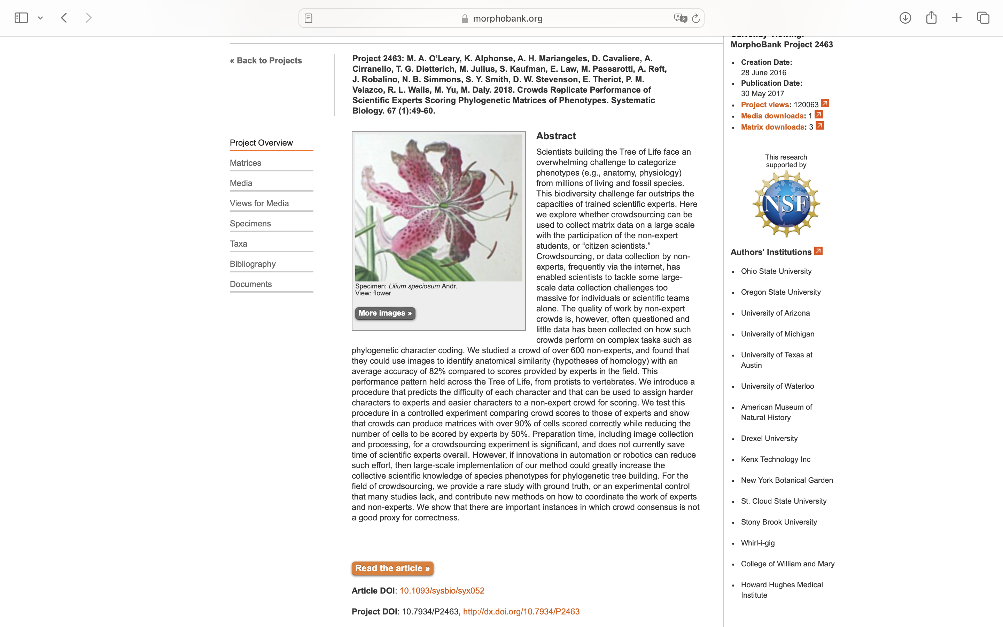
Charlabels | Character Pattern | Unseen States
[1] 'inner perianth color ' | Transformational | YES
[2] 'outer perianth color ' | Transformational | YES
[3] 'outer perianth connation ' | Transformational | YES
[4] 'monosymmetric inner perianth ' | Transformational | YES
[5] 'petal color' | Transformational | YES

